Sheet1
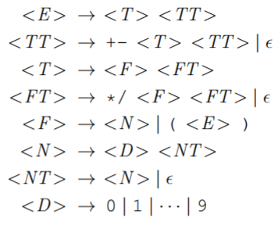

 |  |  | 0 | 1 | 2 | 3 | 4-13 | 14 | 15 | 16 | 17 | 18 | 19
 | Productions |  | * | / | + | - | 0…9 | ( | ) | NUL | s | c | t
1 | <E> -> <T><U> | E |  |  |  |  | 1 | 1 |  |  | 15 | 16 | 17
2 | <U> -> e | U |  |  | 3 | 12 |  |  |  | 2
3 | <U> -> + <T> <U> | T |  |  |  |  | 4 | 4
4 | <T> -> <F><G> | G | 6 | 13 |  |  |  |  |  | 5
5 | <G> -> e | F |  |  |  |  | 8 | 7
6 | <G> -> * <F><G> | N |  |  |  |  | 9
7 | <F> -> (<E>) | P |  |  |  |  | 11 |  |  | 10
8 | <F> -> <N> | D |  |  |  |  | 14,15…23
9 | <N> -> <D><P>
10 | <P> -> e
11 | <P> -> <N>
12 | <U> -> - <T> <U>
13 | <G> ->/ <F><G>
14 | <D> -> 0|1|…|9
15 | E->s€
16 | E->c(E)
17 | E->t(E)

